Energy_item
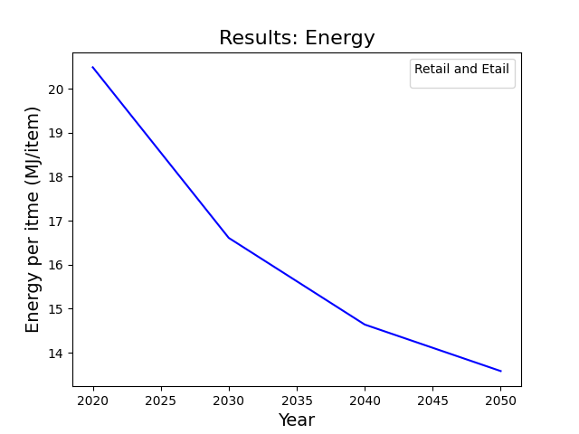
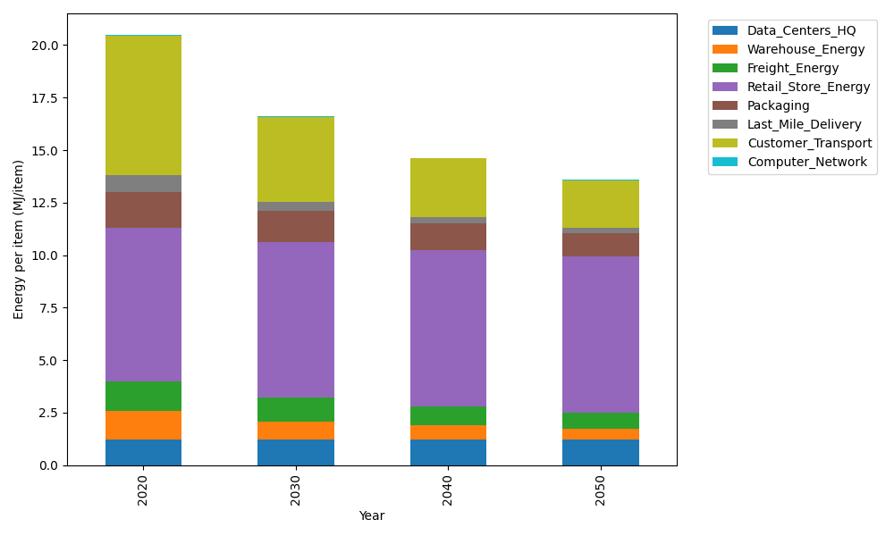
Years | Data_Centers_HQ | Warehouse_Energy | Freight_Energy | Retail_Store_Energy | Packaging | Last_Mile_Delivery | Customer_Transport | Computer_Network | Total
2020 | 1.2374262174 | 1.341127013 | 1.4111355553 | 7.3093548954 | 1.6919526965 | 0.81458505958 | 6.6371394427 | 0.042906875833 | 20.485627756
2030 | 1.2352589164 | 0.84930062357 | 1.1193530239 | 7.4282002327 | 1.4601846833 | 0.44327660375 | 4.033995289 | 0.038294833407 | 16.607864206
2040 | 1.2350032916 | 0.66268489917 | 0.91314470913 | 7.4422175821 | 1.258647245 | 0.30285290076 | 2.7863059756 | 0.03775086078 | 14.638607464
2050 | 1.2351750393 | 0.51732982827 | 0.75559389444 | 7.4327996894 | 1.1142967837 | 0.24499891392 | 2.242990883 | 0.038116341848 | 13.581301374

CO2_item
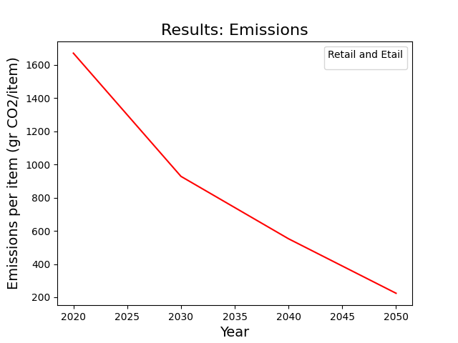
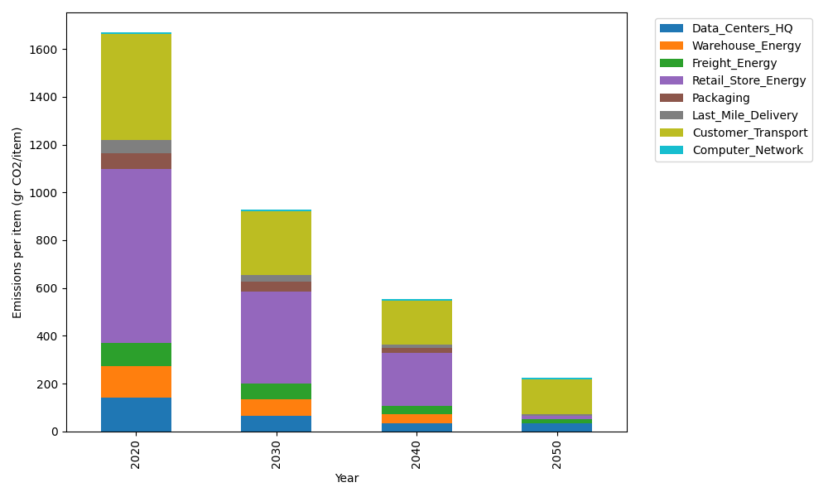
Years | Data_Centers_HQ | Warehouse_Energy | Freight_Energy | Retail_Store_Energy | Packaging | Last_Mile_Delivery | Customer_Transport | Computer_Network | Total
2020 | 140.1486978 | 133.88320986 | 96.107295025 | 728.92732662 | 65.550493381 | 55.915666481 | 441.66356859 | 7.2373947519 | 1669.4336525
2030 | 64.566975304 | 68.884355793 | 65.935296051 | 385.20518864 | 41.70243954 | 27.993661223 | 267.1730784 | 6.4594501683 | 927.92044512
2040 | 31.996199174 | 39.690966691 | 34.405604422 | 222.65312783 | 20.344021317 | 13.616644626 | 183.13147366 | 6.3676946034 | 552.20573232
2050 | 31.999420725 | 2.6483043757 | 15.029323075 | 14.824757819 | 0 | 6.8951716376 | 146.24648915 | 6.4293427824 | 224.07280956

